products
Product B maximizes basket size which has 66.23 AOV; product D acts as low-value filler.
 | avg_order_value
Product A | 59.51
Product B | 66.23
Product C | 58.95
Product D | 34.04
Product C has the highest overall refund rate (6.81%) by far.
 | refund_rate_percentage | gross_margin%
Product A | 5.79 | 62%
Product B | 2.73 | 63%
Product C | 6.81 | 68%
Product D | 1.55 | 68%
Product A drives scale; watch B and C seasonal growth.
 | Product A | Product B | Product C | Product D
Qtr1 | 2999.4
Qtr2 | 17346.53
Qtr3 | 34193.16
Qtr4 | 74735.05
Qtr1 | 49940.01 | 16437.26
Qtr2 | 72535.49 | 15957.34
Qtr3 | 78034.4 | 17207.13
Qtr4 | 114309.31 | 23718.03 | 5218.88
Qtr1 | 126247.68 | 41664.53 | 22858.93
Qtr2 | 181003.44 | 36403.39 | 30305.12
Qtr3 | 188515.73 | 38966.85 | 32960.5
Qtr4 | 267474.9 | 55855.81 | 48640.85 | 5096.38
Qtr1 | 213196.56 | 71898.84 | 40872.75 | 14679.34
Product C has Best Profit Margin 68% but lowest volume 9.3% share.
 | total_revenue | total_margin
Product A | 1420531.66 | 880438
Product B | 318109.18 | 200348
Product C | 180857.03 | 122410.5
Product D | 19775.72 | 13429
Sustained high order volume since the 2014 expansion.
 | Product A | Product B | Product C | Product D
Qtr1 | 60
Qtr2 | 347
Qtr3 | 684
Qtr4 | 1495
Qtr1 | 999 | 274
Qtr2 | 1451 | 266
Qtr3 | 1555 | 286
Qtr4 | 2129 | 388 | 100
Qtr1 | 2048 | 617 | 404
Qtr2 | 2788 | 538 | 522
Qtr3 | 2923 | 566 | 548
Qtr4 | 4124 | 818 | 817 | 151
Qtr1 | 3266 | 1050 | 677 | 430
Product A drives high volatility; Product C shows persistent high risk
 | Product A | Product B | Product C | Product D
Qtr1 | 1.67
Qtr2 | 14.46
Qtr3 | 24.8
Qtr4 | 20.65
Qtr1 | 17.73 | 7.98
Qtr2 | 18.23 | 9.06
Qtr3 | 17 | 5.25
Qtr4 | 8.48 | 6.03 | 7.93
Qtr1 | 10.65 | 6.02 | 20.18
Qtr2 | 11.7 | 8.21 | 13.89
Qtr3 | 26.58 | 8.77 | 15.46
Qtr4 | 9.56 | 6.49 | 14.55 | 0.59
Qtr1 | 10.26 | 7.35 | 15.06 | 5.67
Products portfolio
Order count closely mirrors revenue share.
Product A accounts for 73% of total sales.
gross margin
62.74%
Product A has highest Total orders
23869
total refund rate 5.36

AOV
59.99

Website funnel&test
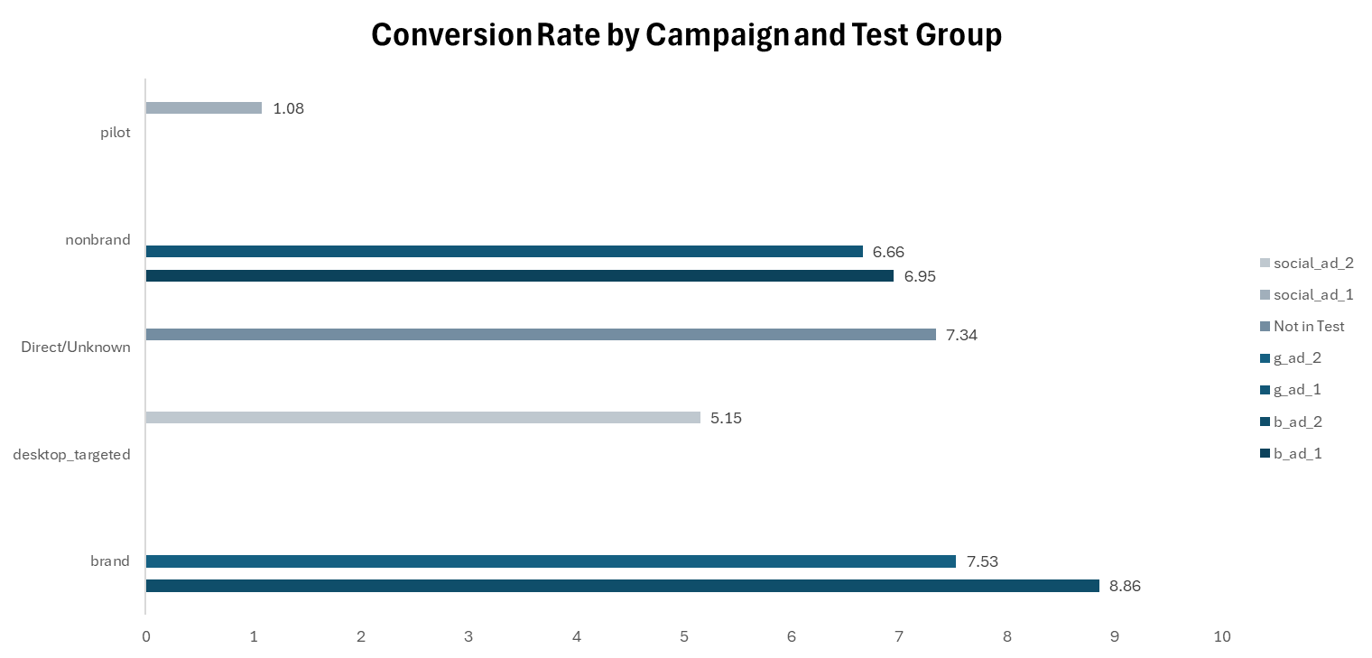
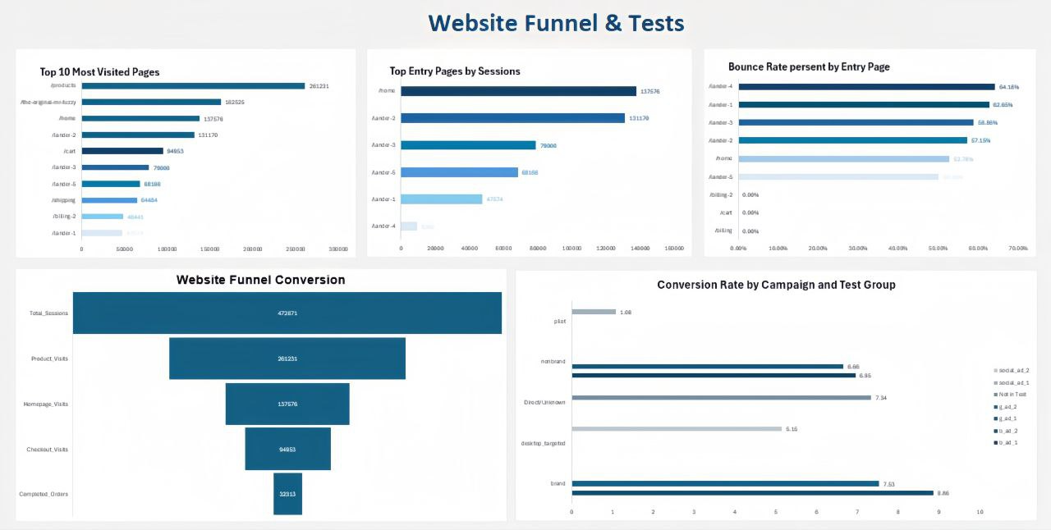

Bounce Rate persent by Entry Page
 | bounce_rate_percent
/billing | 0
/cart | 0
/billing-2 | 0
/lander-5 | 0.5015567
/home | 0.5278195
/lander-2 | 0.5714988
/lander-3 | 0.5885847
/lander-1 | 0.626546
/lander-4 | 0.6418365
Top 10 Most Visited Pages
 | Total
/lander-1 | 47574
/billing-2 | 48441
/shipping | 64484
/lander-5 | 68166
/lander-3 | 79000
/cart | 94953
/lander-2 | 131170
/home | 137576
/the-original-mr-fuzzy | 162525
/products | 261231
Top Entry Pages by Sessions
 | Total
/lander-4 | 9385
/lander-1 | 47574
/lander-5 | 68166
/lander-3 | 79000
/lander-2 | 131170
/home | 137576

Seasonality & Staffing
MONTHLY ORDERS
 | Total
1 | 3470
10 | 2688
11 | 3464
12 | 3867
2 | 3587
3 | 2765
4 | 1893
5 | 2047
6 | 1972
7 | 2059
8 | 2161
9 | 2340
WEEKLY ORDERS
 | Total
0 | 346
1 | 764
10 | 872
11 | 613
12 | 367
13 | 435
14 | 400
15 | 453
16 | 446
17 | 465
18 | 432
19 | 473
2 | 779
20 | 459
21 | 466
22 | 458
23 | 463
24 | 454
25 | 500
26 | 423
27 | 415
28 | 458
29 | 504
3 | 811
30 | 484
31 | 491
32 | 495
33 | 492
34 | 492
35 | 513
36 | 533
37 | 579
38 | 542
39 | 569
4 | 811
40 | 571
41 | 599
42 | 602
43 | 611
44 | 567
45 | 695
46 | 691
47 | 1306
48 | 1030
49 | 851
5 | 793
50 | 890
51 | 866
52 | 400
53 | 21
...
WEEK / MONTH ORDERS
 | monthly | weekly
0 | 0 | 346
1 | 3470 | 764
10 | 2688 | 872
11 | 3464 | 613
12 | 3867 | 367
13 | 0 | 435
14 | 0 | 400
15 | 0 | 453
16 | 0 | 446
17 | 0 | 465
18 | 0 | 432
19 | 0 | 473
2 | 3587 | 779
20 | 0 | 459
21 | 0 | 466
22 | 0 | 458
23 | 0 | 463
24 | 0 | 454
25 | 0 | 500
26 | 0 | 423
27 | 0 | 415
28 | 0 | 458
29 | 0 | 504
3 | 2765 | 811
30 | 0 | 484
31 | 0 | 491
32 | 0 | 495
33 | 0 | 492
34 | 0 | 492
35 | 0 | 513
36 | 0 | 533
37 | 0 | 579
38 | 0 | 542
39 | 0 | 569
4 | 1893 | 811
40 | 0 | 571
41 | 0 | 599
42 | 0 | 602
43 | 0 | 611
44 | 0 | 567
45 | 0 | 695
46 | 0 | 691
47 | 0 | 1306
48 | 0 | 1030
49 | 0 | 851
5 | 2047 | 793
50 | 0 | 890
51 | 0 | 866
52 | 0 | 400
53 | 0 | 21
...
REFUND RATE BY PRODUCT
 | Total
4 | 0.01549
2 | 0.02727
1 | 0.0579
3 | 0.06812
Seasonality & Staffing
PEAK HOUR TRAFFIC
4pm
88 sessions
AVG REFUND RATE
4.22%
TOTAL ORDERS
32313
TRAFFIC HEATMAP

Investor Dash Board
Growth % over 3 years
 | sessions_growth_pct | orders_growth_pct | revenue_growth_pct
2012 | 0 | 0 | 0
2013 | 80.54 | 187.97 | 204.2
2014 | 106.97 | 126.4 | 173.52
product_profile by revenue
 | product_revenue
Product A | 1211057.74
Product B | 347702.04
Product C | 229260.15
Product D | 150489.82
Channel diversification
 | total_orders | channel_pct
gsearch | 23852 | 0.7382
bsearch | 5262 | 0.1628
Direct | 2856 | 0.0884
socialbook | 343 | 0.0106
Net Margin By Year
 | net_profit | revenue | net_margin
2012 | 78873 | 129274.14 | 0.6101
2013 | 241596.5 | 393247.87 | 0.6144
2014 | 679722.5 | 1075612.19 | 0.6319
2015 | 215947.5 | 340375.55 | 0.6344
channels by CVR & RPS
 | CVR | RPS
desktop | 0.0785 | 4.66
mobile | 0.0301 | 1.82
desktop | 0.0989 | 6.01
mobile | 0.032 | 1.93
desktop | 0.0843 | 5.03
mobile | 0.0317 | 1.91
desktop | 0.0499 | 3.22
mobile | 0.0083 | 0.57
Investor Dash Board

executive summary
Sessions VS Orders per year
 | Sum of total_sessions | Sum of total_orders
2012 | 62470 | 2586
2013 | 112781 | 7447
2014 | 233422 | 16860
2015 | 64198 | 5420
Revenue Breakdown
 | 2012 | 2013 | 2014 | 2015
Net Revenue | 120375.92 | 376311.21 | 1027851.96 | 329395.81
Refunds | -8898.22 | -17046.64 | -48142.15 | -11251.68
Revenue | 129274.14 | 393247.87 | 1075612.19 | 340375.55
CVR
6.83%
total cost
722370.25
RPS
4.09
Revenue
1938509.75
Sessions
472871
Orders
32313
Net-Revenue
1853934.9
Executive Summary

channel performance
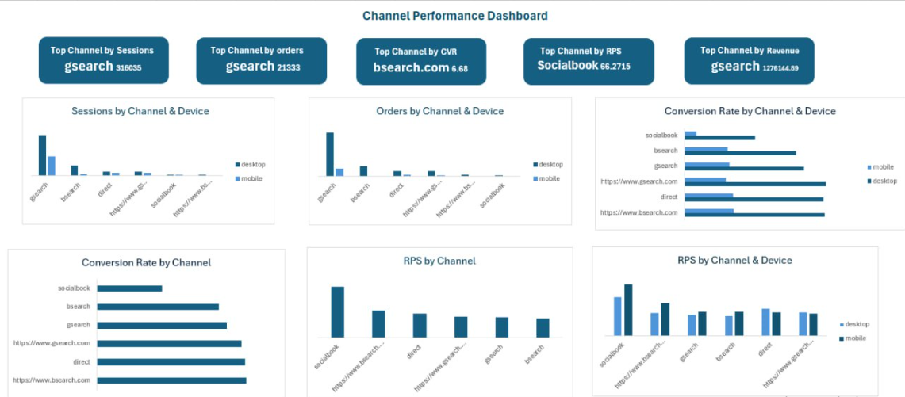

customers
Customer Analytics

New Customers
394318
Repeat Customers
51270
RPS for
Repeat
Customers4.74
RPR for
Repeat
Customers7.26

New Customers Drive Most Website Activity (Sessions & Orders)
 | Sum of sessions | Sum of orders
New Customer | 394318 | 26164
Repeat Customer | 78553 | 6149
New Customers Generate 80.8% of Total Revenue
 | Total
New Customer | 1566274.92
Repeat Customer | 372234.83
Higher Conversion Rate for Repeat Customers
 | Total
Repeat Customer | 0.078
New Customer | 0.066

Customer Retention Peaks at 7, 14, and 21 Days
 | Total
1 | 98
10 | 1861
11 | 1851
12 | 1840
13 | 1937
14 | 2070
15 | 1926
16 | 1871
17 | 1767
18 | 1778
19 | 1840
2 | 342
20 | 1903
21 | 2123
22 | 1888
23 | 1665
24 | 1572
25 | 1422
26 | 1218
27 | 1326
28 | 1374
29 | 1237
3 | 728
30 | 1199
31 | 1174
32 | 1170
33 | 1156
34 | 1192
35 | 1335
36 | 1209
37 | 1115
38 | 1031
39 | 913
4 | 1108
40 | 829
41 | 817
42 | 882
43 | 810
44 | 761
45 | 744
46 | 708
47 | 815
48 | 781
49 | 811
5 | 1522
50 | 791
51 | 762
52 | 780
53 | 741
54 | 789
...
Customer Return Peaks at 31–60 Days
 | Total
31-60 Days | 33971
15-30 Days | 19065
1-7 Days | 9752
>60 Days | 9432
8-14 Days | 6333
Top 10 Users by Total Revenue
 | Total
341972 | 251.94
324814 | 245.95
172266 | 237.95
275098 | 235.95
142410 | 219.96
281298 | 219.96
317773 | 215.96
336150 | 209.95
307597 | 205.96
158790 | 205.96

Dashboards
executive summary
products
channel performance

Website funnel&test

Investor Dash Board
Seasonality & Staffing
customers

